Sheet1
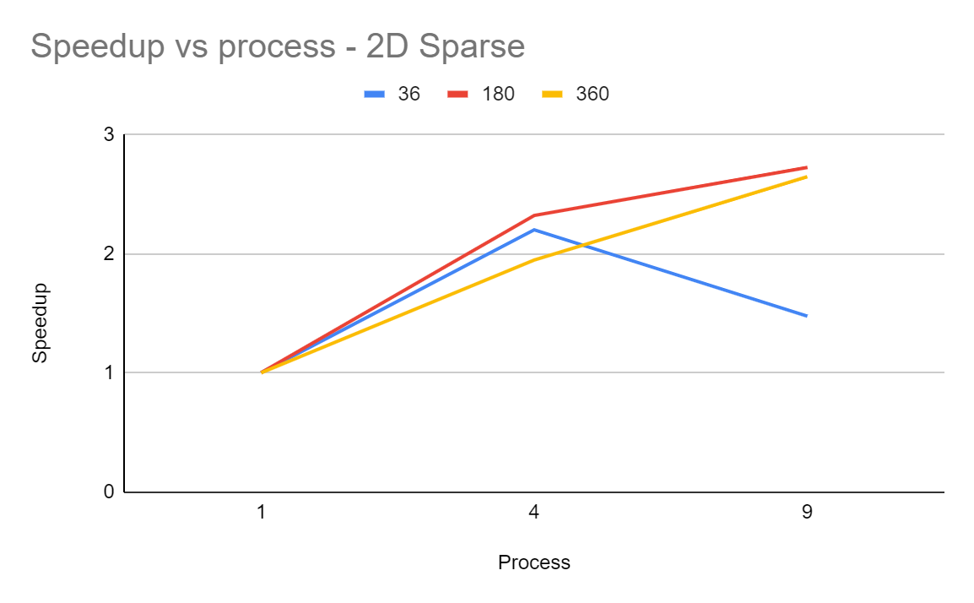
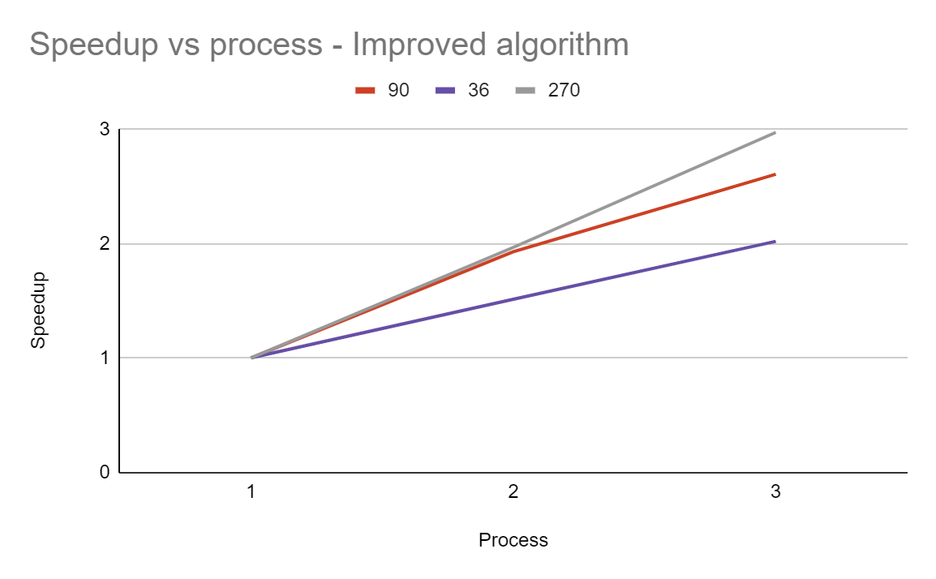
2D-Sparse-algorithm |  |  |  |  |  |  | Improved algorithm
SPARSE GRAPH |  | around log^2(n) edges |  |  |  |  | SPARSE GRAPH |  | around log^2(n) edges
nxn - graph size | 18 | 36 | 90 | 180 | 270 | 360 | nxn - graph size | 18 | 36 | 90 | 180 | 270 | 360

P(process) | time(us) |  |  |  |  |  | P(process) | time(us)
1 | 43.15 | 327.34 | 4596.94 | 35968.78 | 131376.98 | 284208.77 | 1 | 21.22 | 130.89 | 1924.03 | 35968.78 | 14751.91 | 110912.79
4 | 57.45 | 148.77 | 2029.65 | 15497.20 | 59540.98 | 146014.45 | 2 | 28.13 | 86.54 | 1013.80 | 20497.20 | 7500.17 | 57510.37
9 | 79.87 | 221.96 | 1821.51 | 13204.57 | 46028.61 | 107426.16 | 3 | 19.07 | 64.84 | 665.42 | 13204.57 | 4963.40 | 42553.66

S(Speedup) | 18 | 36 | 90 | 180 | 270 | 360 | S(Speedup) | 18 | 36 | 90 | 180 | 270 | 360
1 | 1 | 1 | 1 | 1 | 1 | 1 | 1 | 1 | 1 | 1 | 1 | 1 | 1
4 | 0.7511 | 2.2003 | 2.2649 | 2.3210 | 2.2065 | 1.9464 | 2 | 0.7544 | 1.5125 | 1.8978 | 1.7548 | 1.9669 | 1.9286
9 | 0.5403 | 1.4748 | 2.5237 | 2.7240 | 2.8542 | 2.6456 | 3 | 1.1127 | 2.0187 | 2.8915 | 2.7240 | 2.9721 | 2.6064

Efficiency(S / P) | 0.1351 | 0.3687 | 0.6309 | 0.6810 | 0.7136 | 0.6614 | Efficiency(S / P) | 0.3772 | 0.7562 | 0.9489 | 0.8774 | 0.9834 | 0.9643

